Salchichas
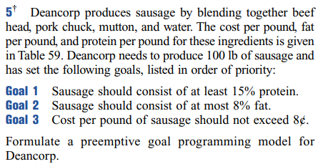
 | head | chuck | mutton
fat | 0.05 | 0.24 | 0.11
proteína | 0.2 | 0.26 | 0.08
costo | 0.12 | 0.09 | 0.08

 | x1 | x2 | x3 | s1+ | s1- | s2+ | s2- | s3+ | s3- | total | restricciones
fat | 0.05 | 0.24 | 0.11 | -1 | 1 | 0 | 0 | 0 | 0 | 8 | 8
proteína | 0.2 | 0.26 | 0.08 | 0 | 0 | -1 | 1 | 0 | 0 | 15 | 15
costo | 0.12 | 0.09 | 0.08 | 0 | 0 | 0 | 0 | -1 | 1 | 8 | 8
 | 1 | 1 | 1 | 0 | 0 | 0 | 0 | 0 | 0 | 100 | 100
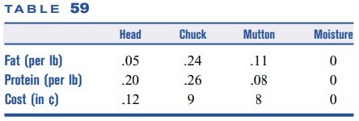
 | x1 | x2 | x3 | s1+ | s1- | s2+ | s2- | s3+ | s3-
 | 54.924242424 | 2.2727272727 | 42.803030303 | 0 | 0 | 0 | 0 | 2.2196969697 | 0

 | s2- | s1+ | s3+ | total
 | 8 | 4 | 2 | 4.4393939394

Admisiones
 | x1 | x2 | x3 | x4 | x5 | x6 | x7 | x8 | x9 | x10 | x11 | x12 | s1+ | s1- | s2+ | s2- | s3+ | s3- | s4+ | s4- | total | restricciones
suma | 1 | 1 | 1 | 1 | 1 | 1 | 1 | 1 | 1 | 1 | 1 | 1 | -1 | 1 | 0 | 0 | 0 | 0 | 0 | 0 | 5000 | 5000
sat | 700 | 700 | 600 | 600 | 500 | 500 | 700 | 700 | 600 | 600 | 500 | 500 | 0 | 0 | -1 | 1 | 0 | 0 | 0 | 0 | 3200000 | 3200000
out-state | 0 | 0 | 0 | 0 | 0 | 0 | 1 | 1 | 1 | 1 | 1 | 1 | 0 | 0 | 0 | 0 | -1 | 1 | 0 | 0 | 1250 | 1250
no nerds | 0 | 1 | 0 | 1 | 0 | 1 | 0 | 1 | 0 | 1 | 0 | 1 | 0 | 0 | 0 | 0 | 0 | 0 | -1 | 1 | 2000 | 2000

total estudiantes | 5000

 | x1 | x2 | x3 | x4 | x5 | x6 | x7 | x8 | x9 | x10 | x11 | x12 | s1+ | s1- | s2+ | s2- | s3+ | s3- | s4+ | s4-
 | 1500 | 400 | 900 | 700 | 0 | 250 | 350 | 50 | 400 | 400 | 0 | 50 | 0 | 0 | 0 | 0 | 0 | 0 | 0 | 150

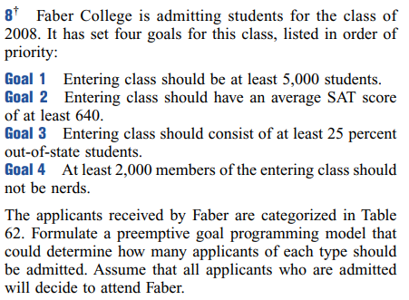
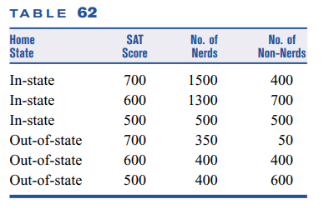
 | s1- | s2- | s3- | s4- | min
 | 1000 | 500 | 250 | 125 | 18750

Proyectos
 | x1 | x2 | x3 | x4 | x5 | x6 | x7 | x8 | s1+ | s1- | s2+ | s2- | s3+ | s3- | s4+ | s4- | s5+ | s5- | total | restricciones
ROI | 2070 | 456 | 670 | 350 | 495 | 380 | 1500 | 480 | -1 | 1 | 0 | 0 | 0 | 0 | 0 | 0 | 0 | 0 | 3250 | 3250
Cost | 900 | 240 | 335 | 700 | 410 | 190 | 500 | 160 | 0 | 0 | -1 | 1 | 0 | 0 | 0 | 0 | 0 | 0 | 1300 | 1300
Productivity | 3 | 2 | 2 | 0 | 1 | 0 | 3 | 2 | 0 | 0 | 0 | 0 | -1 | 1 | 0 | 0 | 0 | 0 | 6 | 6
Manpower | 18 | 18 | 27 | 36 | 42 | 6 | 48 | 24 | 0 | 0 | 0 | 0 | 0 | 0 | -1 | 1 | 0 | 0 | 108 | 108
Risk | 3 | 2 | 4 | 1 | 1 | 0 | 2 | 3 | 0 | 0 | 0 | 0 | 0 | 0 | 0 | 0 | -1 | 1 | 4 | 4

 | x1 | x2 | x3 | x4 | x5 | x6 | x7 | x8 | s1+ | s1- | s2+ | s2- | s3+ | s3- | s4+ | s4- | s5+ | s5-
 | 1 | 0 | 0 | 0 | 0 | 0 | 1 | 0 | 320 | 0 | 100 | 0 | 0 | 0 | 0 | 42 | 1 | 0
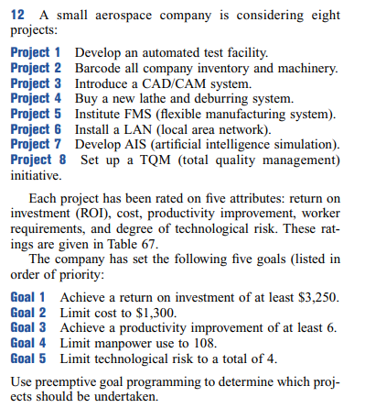
 | s1- | s2+ | s3- | s4+ | s5+ | min
 | 500 | 400 | 300 | 200 | 100 | 40100

